CAL06
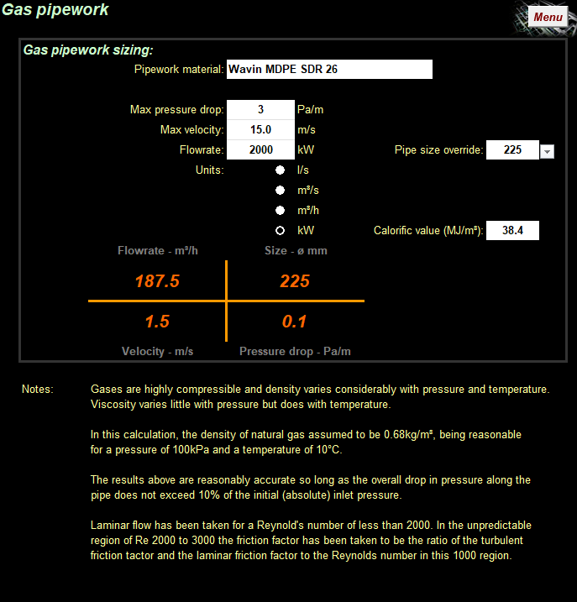
 |  | Project No.
 |  | Project
 |  | Title
 |  | Schedule No.
 |  | Revision
 |  | Date

TO BE USED FOR INITIAL CALCUALTIONS ONLY - UP TO STAGE 3. NOT ACCEPTABLE FOR STAGE 4 ON WARDS
Section | Item | KW | Flow (m3/hr) | Flow (m3/s) | Pipe Size (mm) | Pa/m | Length (m) | 50% Fittings or (Eq.Length) | Pressue Drop (Pa) | Notes
(Operating Pressure < 25mBar = 1.0mBar (100Pa), PD >25mBar = 10%)
Index 1 - meter to boiler |  |  |  |  |  |  |  |  |  |  | Total Load: |  |  |  | Pa/m check (70Pa):
1 |  |  |  |  |  |  |  |  | 0 |  | Main Boilers | 240 | 22.325581395 | 0.0062015503876 | 50% fittings | #REF!
2 |  |  |  |  |  |  |  |  | 0 |  | Lochinvar Gas WH | 20 | 1.8604651163 | 0.00051679586563 |  | #REF!
3 |  |  |  |  |  |  |  |  | 0 |  | Swimming pool Boilers | 320 | 29.76744186 | 0.0082687338501
4 |  |  |  |  |  |  |  |  | 0 |  | Kitchen | 205 | 19.069767442 | 0.0052971576227 | Pa/m = | #REF!
5 |  |  |  |  |  |  |  |  | 0
6 |  |  |  |  |  |  |  |  |  |  | Total | 785 | 73.023255814 | 0.020284237726
 |  |  |  |  |  |  |  | Total | 0 | Pa (<100pa Rqd)

Notes:

IP 02-05-13-5401 Version 1

INFO
